Sheet1
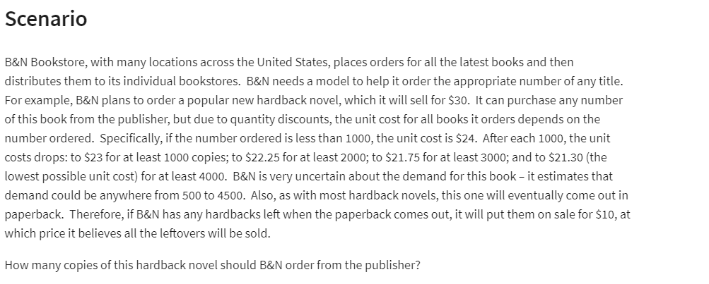

B&N Bookstore
 |  |  | Atleast
Regular Price: | ₹ 30.00 |  | Ordered | Unit Cost
Sales Price: | ₹ 10.00 |  | 0 | 24
 |  |  | 1000 | 23
 |  |  | 2000 | 22.25
 |  |  | 3000 | 21.75
 |  |  | 4000 | 21.3

Demand: | 3000 | (500-4500)
Order: | 4000

Surplus: | 1000 | =MAX(B29-B28,0)
 |  |  |  |  |  |  |  |  |  | Demand
Way#2 for Surplus | 1000 | =IF(B29>B28,B29-B28,0) |  |  | ₹ 14,800.00 | 500 | 1000 | 1500 | 2000 | 2500 | 3000 | 3500 | 4000 | 4500
 |  |  |  |  | 500 | ₹ 3,000.00 | ₹ 18,000.00 | ₹ 33,000.00 | ₹ 48,000.00 | ₹ 63,000.00 | ₹ 78,000.00 | ₹ 93,000.00 | ₹ 108,000.00 | ₹ 123,000.00
Cost: | ₹ 85,200.00 | =VLOOKUP(B29,D21:E26,2,TRUE)*B29 |  |  | 1000 | ₹ -3,000.00 | ₹ 7,000.00 | ₹ 22,000.00 | ₹ 37,000.00 | ₹ 52,000.00 | ₹ 67,000.00 | ₹ 82,000.00 | ₹ 97,000.00 | ₹ 112,000.00
 |  |  |  |  | 1500 | ₹ -9,500.00 | ₹ 500.00 | ₹ 10,500.00 | ₹ 25,500.00 | ₹ 40,500.00 | ₹ 55,500.00 | ₹ 70,500.00 | ₹ 85,500.00 | ₹ 100,500.00
Revenue: | ₹ 100,000.00 | =B21*B28+B31*B22 |  |  | 2000 | ₹ -14,500.00 | ₹ -4,500.00 | ₹ 5,500.00 | ₹ 15,500.00 | ₹ 30,500.00 | ₹ 45,500.00 | ₹ 60,500.00 | ₹ 75,500.00 | ₹ 90,500.00
 |  |  |  | Order | 2500 | ₹ -20,625.00 | ₹ -10,625.00 | ₹ -625.00 | ₹ 9,375.00 | ₹ 19,375.00 | ₹ 34,375.00 | ₹ 49,375.00 | ₹ 64,375.00 | ₹ 79,375.00
Net Profit: | ₹ 14,800.00 | =B37-B35 |  |  | 3000 | ₹ -25,250.00 | ₹ -15,250.00 | ₹ -5,250.00 | ₹ 4,750.00 | ₹ 14,750.00 | ₹ 24,750.00 | ₹ 39,750.00 | ₹ 54,750.00 | ₹ 69,750.00
 |  |  |  |  | 3500 | ₹ -31,125.00 | ₹ -21,125.00 | ₹ -11,125.00 | ₹ -1,125.00 | ₹ 8,875.00 | ₹ 18,875.00 | ₹ 28,875.00 | ₹ 43,875.00 | ₹ 58,875.00
 |  |  |  |  | 4000 | ₹ -35,200.00 | ₹ -25,200.00 | ₹ -15,200.00 | ₹ -5,200.00 | ₹ 4,800.00 | ₹ 14,800.00 | ₹ 24,800.00 | ₹ 34,800.00 | ₹ 49,800.00
 |  |  |  |  | 4500 | ₹ -40,850.00 | ₹ -30,850.00 | ₹ -20,850.00 | ₹ -10,850.00 | ₹ -850.00 | ₹ 9,150.00 | ₹ 19,150.00 | ₹ 29,150.00 | ₹ 39,150.00

